Base Info
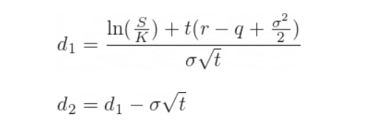
Option Greeks Excel Formulas - Macroption

 | current price | 100 |  | Position | Implied Vol | Expiration | Strike | Type | disc rate | p/u | position | Delta | Gamma | Vega | Theta | Rho | ln (S/k) | t | sig^2/2 | D1 | D2 | N(D1) | N(D2) | N'(D1)

 |  |  | Shares | 1000 |  |  |  |  |  | 100 | $100,000.00 | 100000
 |  |  | 2000 Calls @106 | 1000 | 0.2 | 2026-03-12 | 100 | E | 0.05 | 10.450583572 | $10,450.58 | 63683.065118 | 18.762017346 | 375.24034692 | -17.572678209 | 53.232481545 | 0 | 1.00 | 0.0200 | 0.35 | 0.15 | 0.63683065118 | 0.55961769237 | 0.37524034692
 |  |  | 3000 calls @120 | -3000 | 0.2 | 2026-03-12 | 120 | E | 0.06 | 3.5094933631 | $(10,528.48) | -91338.830493 | -52.500647276 | -1050.0129455 | 44.125565566 | -80.810350404 | -0.18232155679 | 1.00 | 0.0200 | -0.51160778397 | -0.71160778397 | 0.30446276831 | 0.23835384277 | 0.35000431517
 |  |  |  |  |  |  |  |  |  |  | $99,922.10 | $72,344.23 | $(33.74) | $(674.77) | $26.55 | $(27.58)
 |  |  |  |  |  |  |  |  |  |  |  |  |  |  |  |  | 160481.85053 | initial value
 |  |  |  |  |  |  |  |  |  |  |  |  |  |  |  |  | $(60,559.75)

